Budget Sheet
 |  | 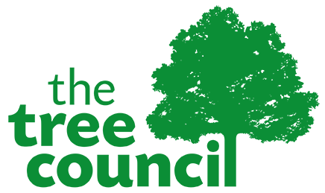 

 |  | Scottish Power Energy Network (SPEN) Community Tree Planting Grant 2026/27 - Project Budget
 |  | Organisation | Please complete
 |  | Project Name | Please complete (if applicable)
 |  | Project Ref. | Official TTC Use Only
 |  | Project Costs - Please list all project costs which you are including in your funding application to The Tree Council
Please include VAT in your costings and provide a total figure for the VAT you can reclaim at the end of the form
 |  | Please note TTC does not pay VAT which you can later reclaim

 | TREES | Full description of tree. Common Name / Species/Genus / Cultivar/Variety | Approximate size of tree at purchase, height (H) or girth (G) in CM | Specify Tree Type Cell grown (CG) Container (Ltr) Bare-root (BR) Root-balled (RB) | Rootstocks for fruit trees (if appropriate) | Total number of trees of the indicated size and species | Cost (Inc VAT.) | Supplier Name | Supplier Postcode

 |  | TOTAL TREES BUDGET |  |  |  | 0 | £0.00

 | PROTECTION | Tree Support or Protection Type: Cane (C) Stake (S) Guard (G) and Ties (T) We encourage applicants to source sustainble and biodegradable materials where possible. We will not fund plastic tree guards. |  |  |  | Total Number | Cost (Inc VAT) | Supplier Name | Supplier Postcode

 |  | TOTAL PROTECTION BUDGET |  |  |  | 0 | £0.00

 | ESTABLISHMENT AIDS | Establishment Aids including: (Tools and equipment, mulch, mulch matts, irrigation equipment) |  |  |  | Quantity | Total Cost (Inc VAT) | Supplier Name | Supplier Postcode

 |  | TOTAL ESTABLISHMENT AIDS BUDGET |  |  |  | 0 | £0.00

 | OTHER RESOURCES | Other project resources including services or products such as: (Contractor costs, volunteer welfare, machinery hire, professional fees/consultation, training resources etc.). Note that 'Other resources' can only make up 20% of the total grant requested. |  |  |  | Quantity | Total Cost (Inc VAT) | Supplier Name | Supplier Postcode

 |  | TOTAL OTHER RESOURCES BUDGET |  |  |  | 0 | £0.00

 |  | TOTAL GRANT (Inc VAT) - Total grant applied for from The Tree Council incl VAT |  |  |  |  | £0.00
 |  | Value of VAT which your organisation is able to reclaim from above total |  |  |  |  | £0.00
 |  | TOTAL GRANT REQUESTED (deducting any reclaimable VAT). |  |  |  |  | £0.00
 |  | We do not pay VAT which your organisation can reclaim.
 | MATCH FUNDING | Please use this section to provide details of any additional 'Match Funding' which you have secured for your project. In addition to your request to the Tree Council as outlined above. Include the Funder Name, whether secured or unsecured and if it is of monetary value or 'in kind'. |  |  |  | Intended Use |  | Secured or Unsecured | Total Value

 |  | TOTAL ADDITIONAL FUNDING (if appropriate) |  |  |  |  |  |  | £0.00

